Hiearchy View
CLASS: RISER TRACK
waterline, sanitary line, air shaft, ventilation piping or shaft, catch basin vertical section, manhole vertical section |  | 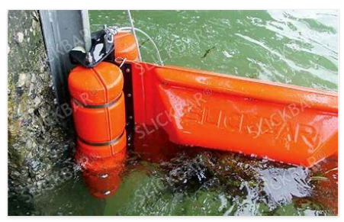
REMOVE | N

PROBLEM_DESC | CAUSE_DESC | REMEDY_DESC
BROKEN/DAMAGED
LEAKING
OTHER PROBLEM
POWER-ELEC
PRESSURE
STOPPED/SLOWED/POOR OPS
TEMP-CTRL
Grand Total

